Sheet1
 |  | Document No. |  | Issue No. |  | Issue Date |  | Review and Replace Date |  | Authorised By
 |  | GFF350MC |  | 3 |  | 15.12.2021 |  | 29.03.2023 |  | Magda Shah
 |  | Document Title | Veggie Red Thai Curry with Black Rice 400g
Document amendments reason for change |  | Tray & Film changed Black Rice recipe name changed |  |  | Page 1 of 1 |  |  |  | 14.03.2022 | Uncontrolled copy unless signed original

FVRTCR-R8TMC | MINDFUL CHEF |  | Veggie Red Thai Curry with Black Rice 400g | FROZEN
STEP 1 |  |  |  | STEP 2
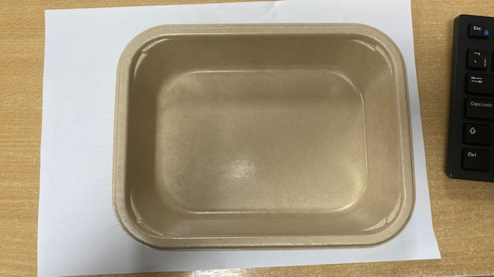 |  |  |  | 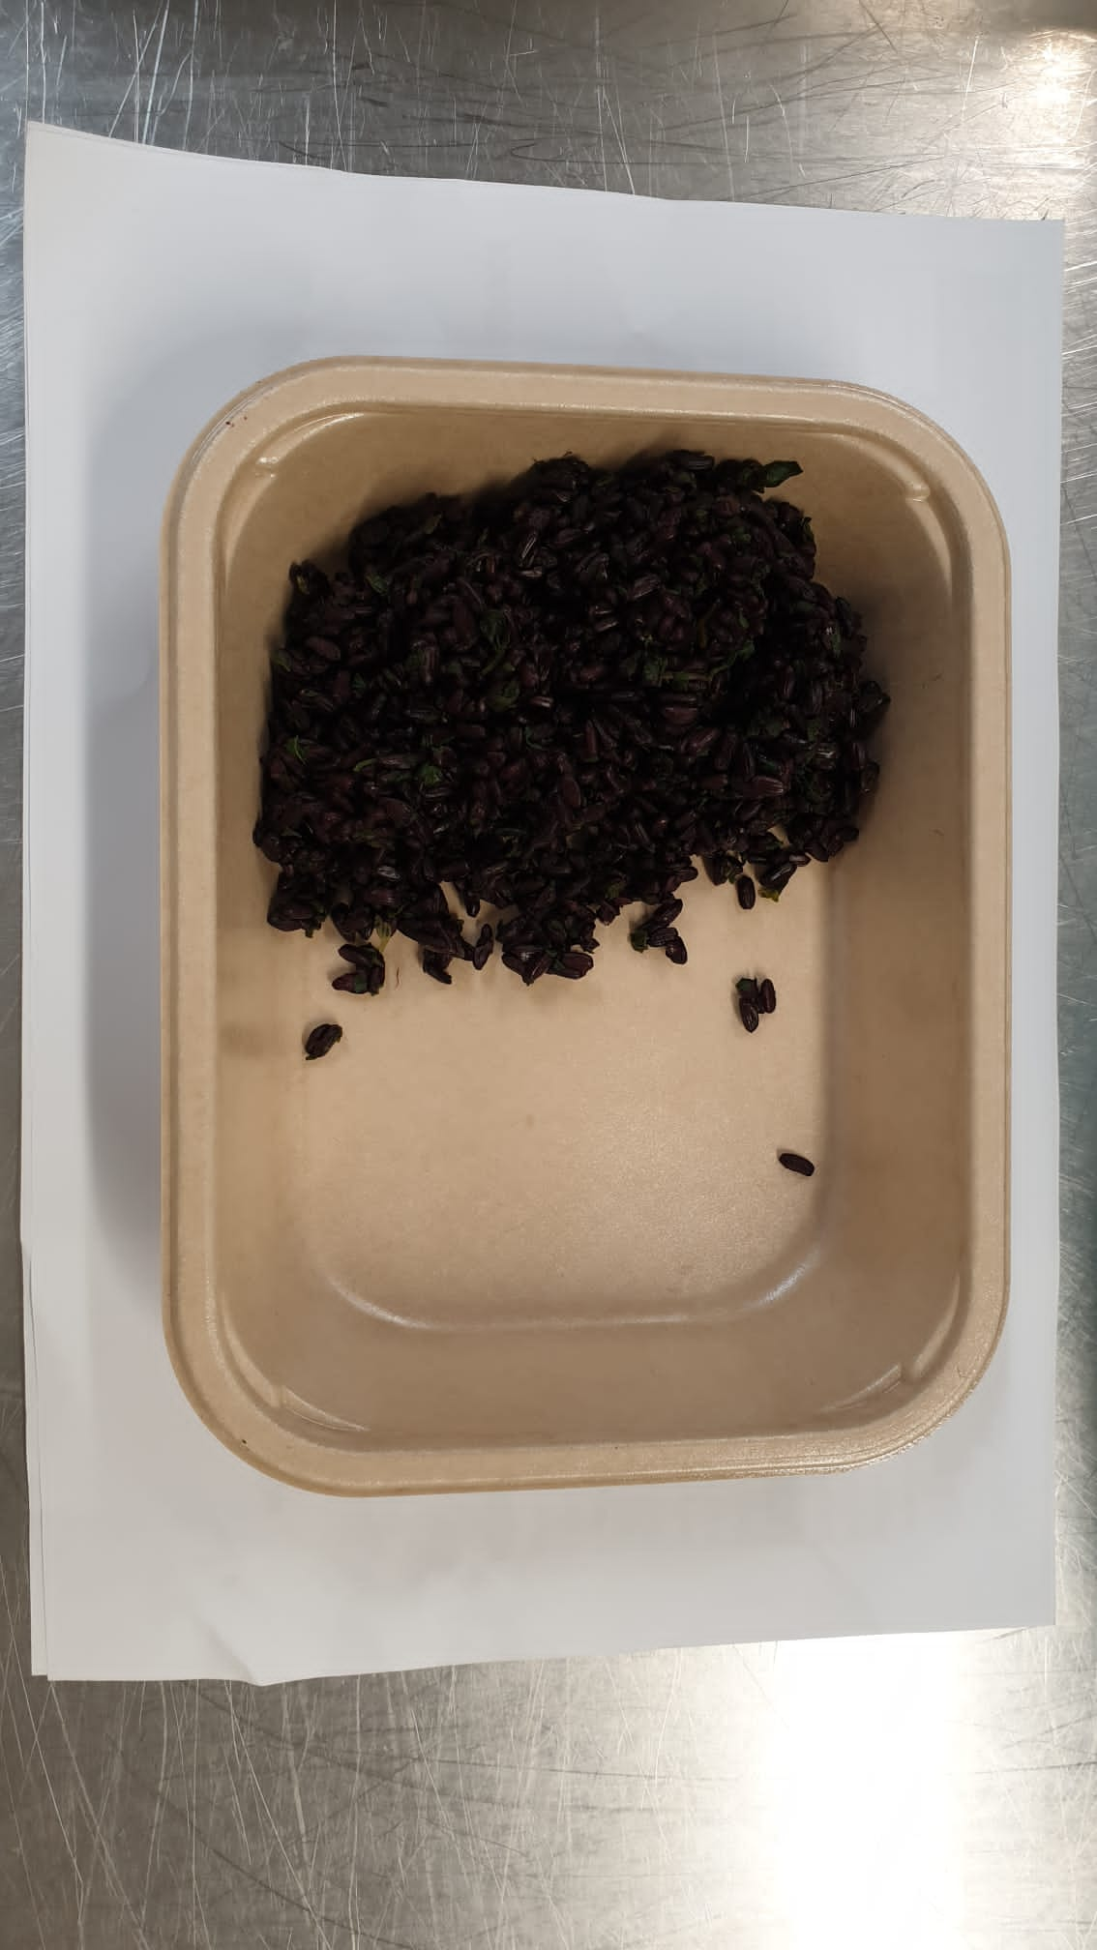

PACK DAY + 1 YEAR
NON-MAP PACK

Tray: Flat Tray-PET Fresh Fibre Food Tray (200 x 155 x 39)-PKHUH001-01 |  |  |  | Coriander Black Rice (GFF238R): 100g

Film: K peel 7G+25A/f-275mm-(PKKMP001-03)
STEP 3 |  |  |  |  |  |  | STEP 4

Veg Red Thai Sauce (MC) (GFF411R): 295g |  |  |  |  |  |  | Raw Coconut Chips (RMKLU001-05) : 5g |  |  |  | TOTAL WEIGHT: 400g

ALLERGY ALERT: SOYA

